Intake Form
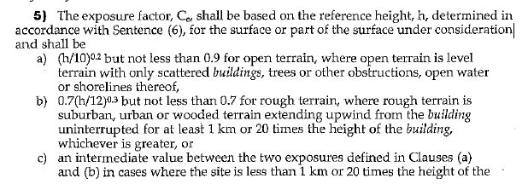
*Please fill out grey cells as necessary
Sunport Client Request Form Toll-Free: 1-866-611-8833

 |  | SUNPORT STRUCTURE DETAILS
Contact |  | SUNPORT T, Double Wing (DWT) | SUNPORT A, Single Wing (SWA) | SUNPORT A, Double Wing (DWA) | SUNPORT Y, Single Wing (SWY) | SUNPORT Y, Double Wing (DWY)
Company Name | Contact Name | Quantity | Quantity | Quantity | Quantity | Quantity
Contact Email | Contact Phone | Modules/Sunport | Modules/Sunport | Modules/Sunport | Modules/Sunport | Modules/Sunport
Project (this information is critical for accurate quoting, please complete as much as possible) |  | Modules/Post | Modules/Post | Modules/Post | Modules/Post | Modules/Post
Project Name | Project Address | Nunmber of Parking Stalls | Nunmber of Parking Stalls | Nunmber of Parking Stalls | Nunmber of Parking Stalls | Nunmber of Parking Stalls
Site GPS | kWDC/Total Modules | Parking Stall Width | Parking Stall Width | Parking Stall Width | Parking Stall Width | Parking Stall Width
Solar Module Make | Solar Module Model | Minimum Clearance Height | Minimum Clearance Height | Minimum Clearance Height | Minimum Clearance Height | Minimum Clearance Height
Solar Module Dimensions (mm) | Module Wattage | 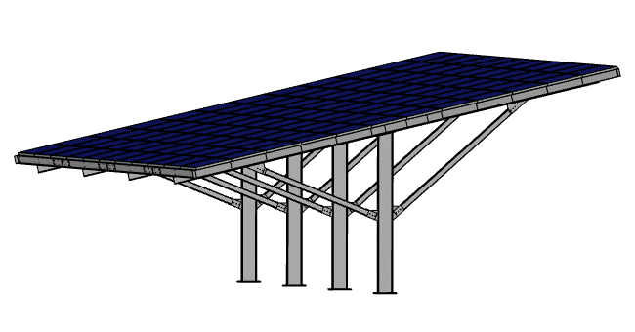 | 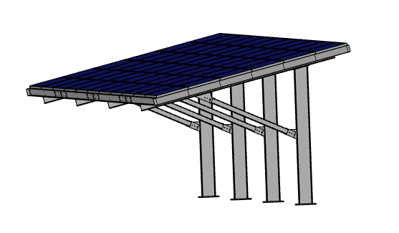 | 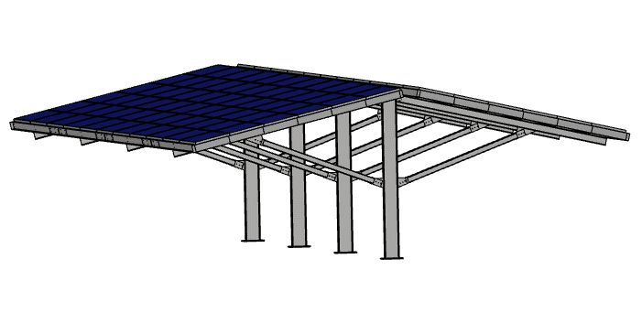 | 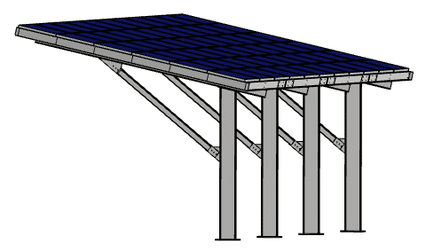 | 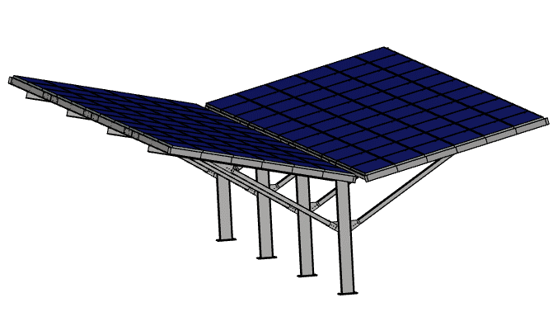
Terrain Type (see note below) | Project Start Date
Customer Documentation Provided
Legal Survey | Site Photos
Preliminary Layout | Helioscope PDF.
Geotechnical Study | Google Maps
Locates | Other
Roof/Solar Racking Type |  | If there are multiple rows of the same structure type needed with differing lengths, please use additional tables on the "More Sunport Forms" tab.
Direct to Sunport UL2703 Rail | Qdeck Roofing
Drip Gasket between Panels | Racking quote by ISS
Structure Finish Type
Painted | Galvanized
Color | Other
Scope of Product and Services Requested
Structure Manufacture | Custom Engineering
Structure Install | Geotechnical Study
Substructure Selection | Site Legal Survey
Substructure Supply | Stamped Drawings
Substructure Install | Other
Substructure Type
Helical Pile (below ground) | Helical Pile (above ground)
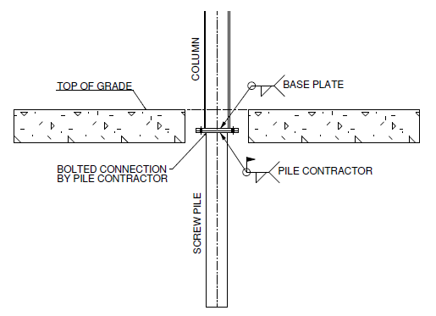 | 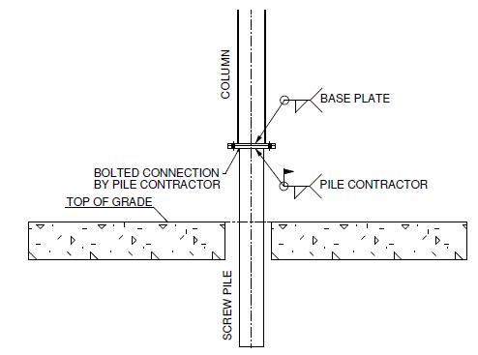

Concrete Pile | Ballasted
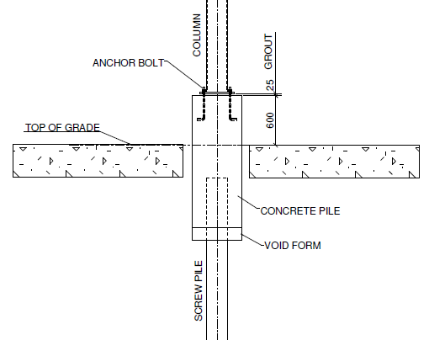 | 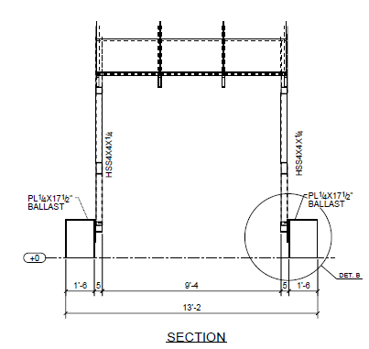

Additional Options or Requests
Pile Sleeve/Covers
Roof Decking (corrugated, q-deck, standing seam)
Gutter/Downspouts (quantity, locacation, type)
Custom Wire Runs
Custom Inverter Hangers
Custom EV Hangers
Custom CCTV Hangers
Custom Lighting Hangers
Other
Additional Project Description/Requirements

Office Use Only

Structure dimensions shown are approximate and will change per job/site
All solar modules are mounted 6 up in landscape direcly to our UL2703 approved Z purlin unless otherwise specified

Building Code Terrain Definition Note -

